Sheet1
 |  | Document No. | Issue No. | Issue Date |  | Review and Replace Date |  | Authorised By
 |  | GFF405MC | 2 | 02.10.2023 |  | 17.12.2024
 |  | Document Title | Gc- 10 Lamb Samosa | Jumbo | 1200G -High Risk
 |  |  |  |  |  |  |  | Magda Shah
Document amendments reason for change |  | Tray and Film Changed | Page 1 of 1 |  | Previous Issue Date |  | 02.10.2023 | Uncontrolled copy unless signed original

CLSAJ-B10T | Gazebo (BULK-SNACKS) |  | Gc- 10 Lamb Samosa | Jumbo | 1200G
STEP 1 |  |  |  |  | STEP 2
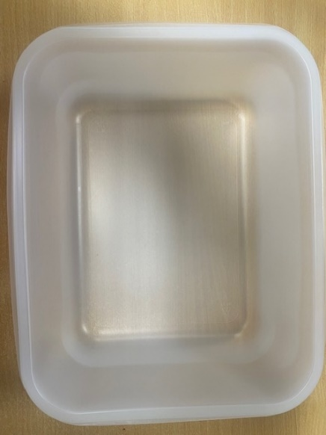 |  |  |  |  | 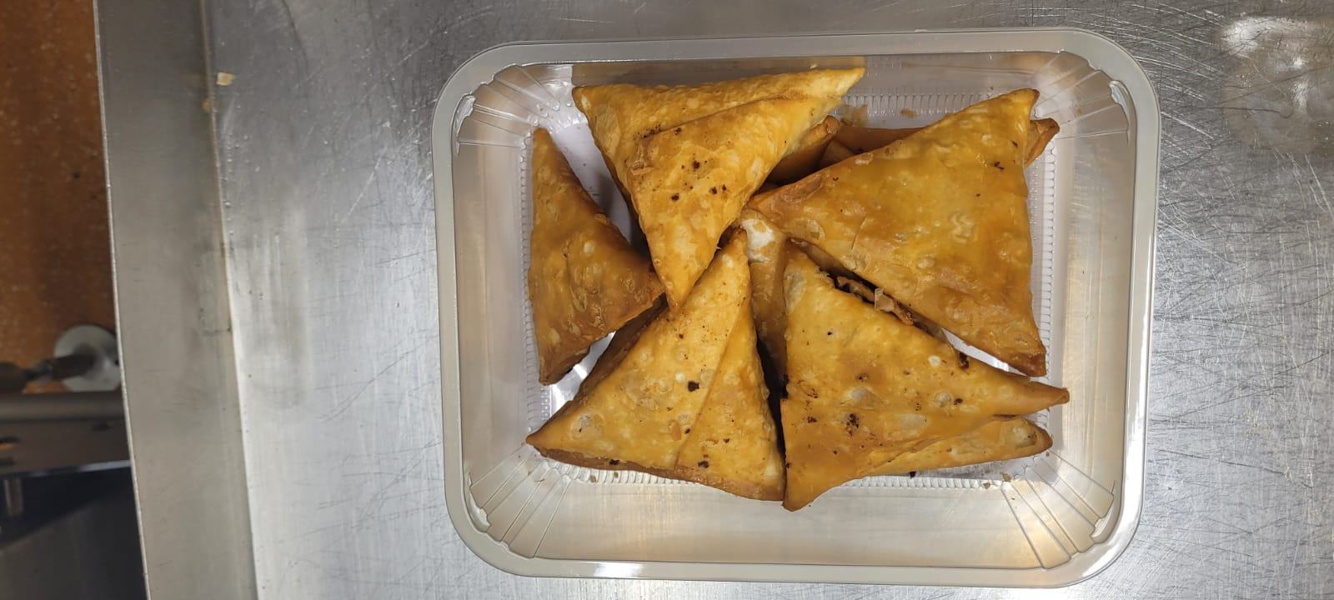

Tray: 554 natural-(PKPRO001-19) |  |  |  |  | 10 Lambo Samosa XL (Jumbo) 120G(GFF005R): 10 Pieces (1200g)
Film: S340AF 340mmX510mm AF&HB Weld-(PKPRO001-17)
STEP 3
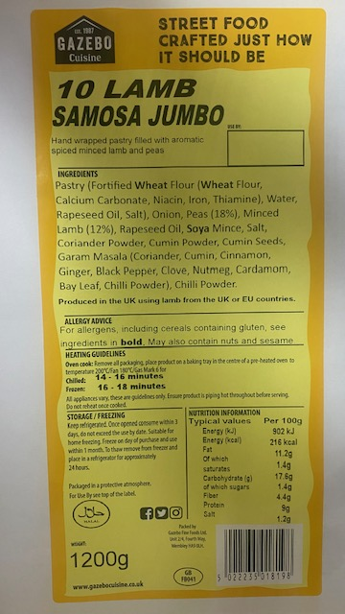

Packaging changed (tray & flim)and put labels in high risk if they packed the product on GTR machine.Label: 10 Lamb Samosas- Barcode-8198 |  |  |  |  |  | TOTAL WEIGHT: 1200g

ALLERGY ALERT: Wheat, Soya

